Sheet1
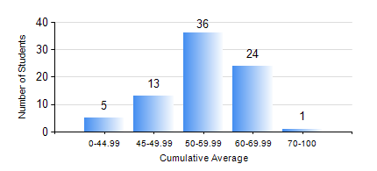
 |  |  | KWAME NKRUMAH UNIVERSITY OF SCIENCE AND TECHNOLOGY, KUMASI Department of Materials Engineering

 |  |  | BSC. METALLURGICAL ENG.

 |  |  | COMPREHENSIVE RECORD OF EXAMINATION RESULTS

 |  |  | RESULTS OF YEAR 2 FIRST SEMESTER, 2022/2023 ACADEMIC YEAR

 | Sn | Course Code |  | Course Name | Credit Hours | Min. Mark | Max. Mark | Avg. Mark | Std. Dev. | No. Passed | No. Trailed | No. (Df) | No. (I) | No. (I*) | No. Tagged(I,I*,Df) | Total
 | 0. |  |  |  |  |  |  | 0 | 0 | 0 | 0 | 0 | 0 | 0 | 0 | 7
 | 1. | CENG 291 |  | ENGINEERING IN SOCIETY | 2 | 22 | 80 | 63 | 12.05 | 68 | 4 | 0 | 0 | 0 | 0 | 72
 | 2. | GED 251 |  | MINERALOGY | 3 | 18 | 84 | 50 | 12.95 | 67 | 5 | 0 | 0 | 0 | 0 | 72
 | 3. | MATH 251 |  | DIFFERENTIAL EQUATIONS | 4 | 37 | 74 | 51 | 7.49 | 70 | 2 | 0 | 0 | 0 | 0 | 72
 | 4. | METE 251 |  | METALLURGICAL THERMODYNAMICS | 3 | 14 | 88 | 52 | 16.27 | 54 | 9 | 9 | 0 | 0 | 9 | 72
 | 5. | MSE 251 |  | MOMENTUM TRANSPORT | 2 | 11 | 75 | 43 | 12.66 | 54 | 18 | 0 | 0 | 0 | 0 | 72
 | 6. | MSE 253 |  | MECHANICAL BEHAVIOUR OF MATERIALS | 3 | 29 | 89 | 52 | 12.78 | 62 | 10 | 0 | 0 | 0 | 0 | 72
 | 7. | MSE 255 |  | PROPERTIES OF ENGINEERING MATERIALS | 3 | 18 | 87 | 50 | 14.21 | 63 | 9 | 0 | 0 | 0 | 0 | 72
 | 8. | MSE 257 |  | INDIGENOUS PROCESSING | 1 | 15 | 71 | 44 | 11.15 | 62 | 10 | 0 | 0 | 0 | 0 | 72

